SURYA CIPTA NIAGA BALI (Beef)
DATE | INV NO. | DESCRIPTIONS | QTY | BILLS | PRICE | SUBTOTAL | TOTAL | DUE DATE

6-Feb-2026 | 2602/FK-0599 | COW MEAT | 5.02 | 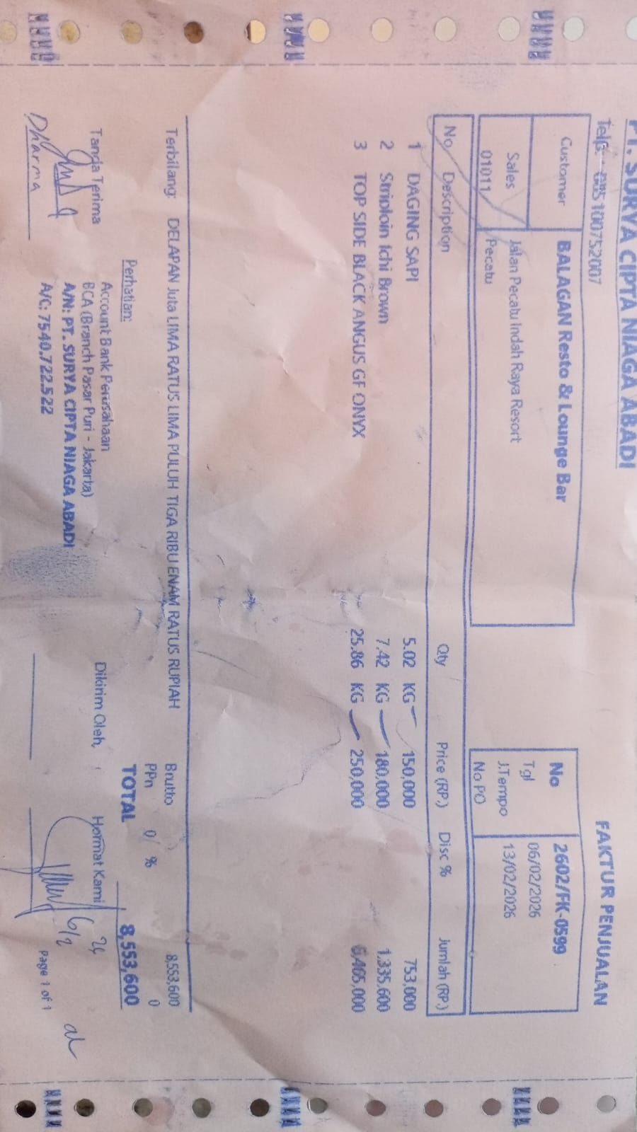 | Rp150,000 | Rp753,000 | Rp8,553,600 | 2026-02-13
 |  | STRIPLOIN ICHI BROWN | 7.42 |  | Rp180,000 | Rp1,335,600
 |  | TOP SIDE BLACK ANGUS GF ONYX | 25.86 |  | Rp250,000 | Rp6,465,000
 |  |  |  |  |  |  | Rp-

 |  |  |  |  |  | Rp- | Rp-
TOTAL |  |  |  |  |  | Rp8,553,600

